Sheet2
S.NO | NAME OF THE FACULTY | QUALIFICATION | DESIGNATION | PHOTO
1. | Dr. Balaji N | M.E., Ph.D., | Principal/Professor | 
2. | Dr. Soundararajan S | M.E., Ph.D., | Vice-Principal/Professor | 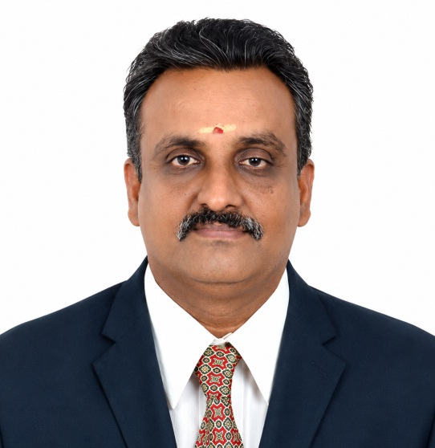
3. | Dr. Venkadesh R | M. Tech., Ph.D., | HOD/Professor | 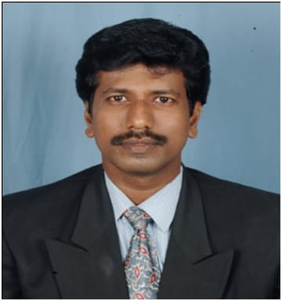
4. | Dr. Guruvammal S | M.E., Ph.D., | Professor
5. | Dr. Prameeladevi C H | M.E., Ph.D., | Associate Professor
6. | Mr. Raja R | M.E., (Ph. D)., | Associate Professor | 
7. | Dr. Sarravanaprabhu A.M | M.E., Ph.D., | Assistant Professor | 
8. | Mr. Anbumani A | M., Tech., | Assistant Professor | 
9. | Mr. Sathiya Jebasundar J | M.E., | Assistant Professor
10. | Mr. Subramani R | M.E., | Assistant Professor | 
11. | Mr. Retheesh D | M.E., (Ph. D)., | Assistant Professor
12. | Mrs. Kirupavathy J | M.E., (Ph. D)., | Assistant Professor | 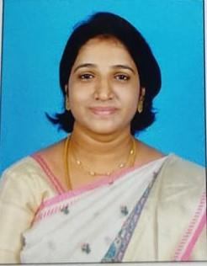
13. | Mr. Nithinkumar R | M. Tech., (Ph. D)., | Assistant Professor | 
14. | Mrs. Ponsangeetha A | M.E., (Ph. D)., | Assistant Professor | 
15. | Mrs. Pratheeba R S | M.E., (Ph. D)., | Assistant Professor | 
16. | Mrs. Jemima P | M.E., | Assistant Professor | 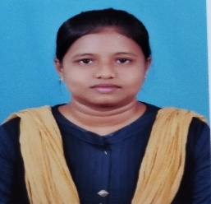
17. | Mrs. Joice Ruby J | M.E., (Ph. D)., | Assistant Professor | 
18. | Mrs. Vidhya R | M.E., (Ph. D)., | Assistant Professor | 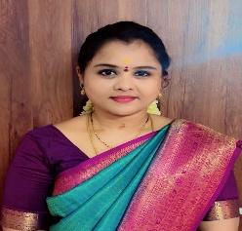
19. | Mrs. Bhavani Chandana | M. Tech., | Assistant Professor | 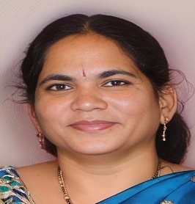
20. | Mrs. Renuga R | M.E., (Ph. D)., | Assistant Professor | 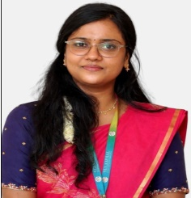
21. | Mr. Iraniya Pandiyan M | M.E., (Ph. D)., | Assistant Professor
22. | Mr. Kannan G | M.E., (Ph. D)., | Assistant Professor | 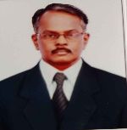
23. | Ms. Anitha T | M.E., | Assistant Professor | 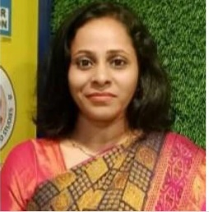
24. | Mrs. Merlin Rosia J | M.E., (Ph. D)., | Assistant Professor | 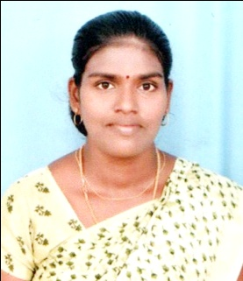
25. | Mrs. Kavitha T | M.E., (Ph. D)., | Assistant Professor | 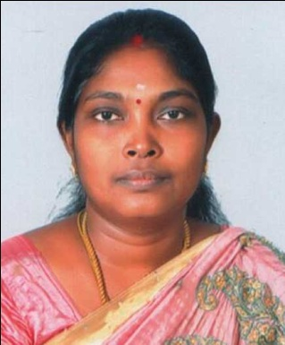
26. | Ms. Konduru Lakshmi Mounika | M.E., | Assistant Professor | 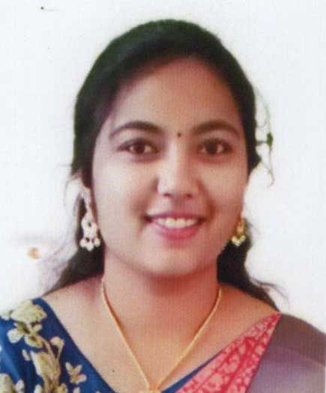
27. | Mrs. Kanchana D | M.E., (Ph. D)., | Assistant Professor | 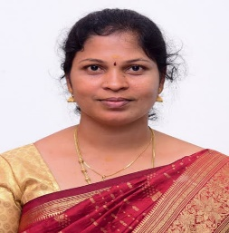
28. | Ms. Mary Flavia Lucas | M.E., | Assistant Professor | 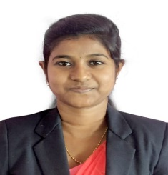
29. | Mrs. Saranya G | M.E., | Assistant Professor
30. | Mrs. Sindhu P S | M.E., | Assistant Professor | 